Sheet1
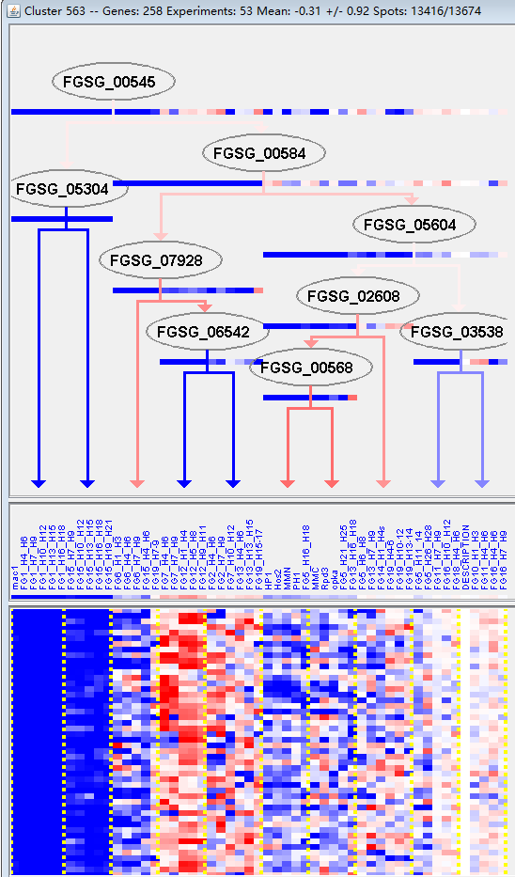
k | Filter | FUNCTIONAL CATEGORY | abs SET | rel SET | genes SET | abs GENOME | rel GENOME | rel SET/rel GENOME | P-VALUE | Bonferroni_corr | FDR
16.03.01 DNA binding | 20 | 9.85 | FGSG_00834 FGSG_11856 FGSG_01035 FGSG_01336 FGSG_01457 FGSG_02130 FGSG_02724 FGSG_04386 FGSG_04141 FGSG_03929 FGSG_05013 FGSG_06231 FGSG_06334 FGSG_08898 FGSG_10221 FGSG_10980 FGSG_10869 FGSG_10837 FGSG_10766 FGSG_14003 | 471 | 3.4 | 2.897058824 | 2.05E-05
01.20.31 metabolism of secondary products derived from L-lysine, L-arginine and L-histidine | 3 | 1.47 | FGSG_05295 FGSG_12996 FGSG_10194 | 15 | 0.1 | 14.7 | 0.001245694
10.01.03 DNA synthesis and replication | 8 | 3.94 | FGSG_00834 FGSG_01035 FGSG_01271 FGSG_01336 FGSG_04386 FGSG_06231 FGSG_08898 FGSG_10869 | 144 | 1.04 | 3.788461538 | 0.001288605
01.03.16 polynucleotide degradation | 7 | 3.44 | FGSG_00834 FGSG_11856 FGSG_02130 FGSG_04386 FGSG_04141 FGSG_09233 FGSG_10791 | 119 | 0.86 | 4 | 0.001857693
16.03 nucleic acid binding | 23 | 11.3 | FGSG_00834 FGSG_11856 FGSG_01035 FGSG_01336 FGSG_01457 FGSG_02130 FGSG_02724 FGSG_04386 FGSG_04141 FGSG_03929 FGSG_05013 FGSG_06231 FGSG_06334 FGSG_08898 FGSG_09233 FGSG_10221 FGSG_10980 FGSG_10896 FGSG_10869 FGSG_10837 FGSG_10791 FGSG_10766 FGSG_14003 | 811 | 5.86 | 1.928327645 | 0.001860075
10.01.09.01 DNA methylation | 2 | 0.98 | FGSG_05013 FGSG_10766 | 5 | 0.03 | 32.66666667 | 0.002083578
11.02.03.04.05 enhancer/silencer interaction | 2 | 0.98 | FGSG_01336 FGSG_06231 | 5 | 0.03 | 32.66666667 | 0.002083578
10.01 DNA processing | 18 | 8.86 | FGSG_00834 FGSG_11846 FGSG_11856 FGSG_01035 FGSG_01271 FGSG_01336 FGSG_01457 FGSG_02130 FGSG_02724 FGSG_04386 FGSG_04141 FGSG_02801 FGSG_05013 FGSG_06231 FGSG_08898 FGSG_10221 FGSG_10869 FGSG_10766 | 595 | 4.3 | 2.060465116 | 0.002964726
10.03.04 nuclear and chromosomal cycle | 6 | 2.95 | FGSG_01347 FGSG_02525 FGSG_06334 FGSG_09408 FGSG_10869 FGSG_11383 | 105 | 0.75 | 3.933333333 | 0.004494016
10.03.01.01.11 M phase | 5 | 2.46 | FGSG_01271 FGSG_01347 FGSG_05013 FGSG_06334 FGSG_09408 | 78 | 0.56 | 4.392857143 | 0.005764063
10.01.05.01 DNA repair | 10 | 4.92 | FGSG_11856 FGSG_01035 FGSG_02130 FGSG_02724 FGSG_04386 FGSG_04141 FGSG_05013 FGSG_08898 FGSG_10221 FGSG_10869 | 267 | 1.93 | 2.549222798 | 0.006137092
11.02.03.04.01 transcription activation | 8 | 3.94 | FGSG_02724 FGSG_11614 FGSG_03929 FGSG_04786 FGSG_05013 FGSG_07198 FGSG_07568 FGSG_14003 | 189 | 1.36 | 2.897058824 | 0.00682251
10.01.09 DNA restriction or modification | 10 | 4.92 | FGSG_11846 FGSG_01336 FGSG_01457 FGSG_02724 FGSG_04386 FGSG_02801 FGSG_05013 FGSG_06231 FGSG_10869 FGSG_10766 | 282 | 2.03 | 2.42364532 | 0.008867084
11.04.02 tRNA processing | 4 | 1.97 | FGSG_11976 FGSG_02130 FGSG_06863 FGSG_10837 | 64 | 0.46 | 4.282608696 | 0.014443931
10 CELL CYCLE AND DNA PROCESSING | 25 | 12.3 | FGSG_00834 FGSG_11846 FGSG_11856 FGSG_01035 FGSG_01271 FGSG_01336 FGSG_01347 FGSG_01457 FGSG_02130 FGSG_02525 FGSG_02724 FGSG_04386 FGSG_04141 FGSG_04140 FGSG_02801 FGSG_05013 FGSG_06231 FGSG_06334 FGSG_08898 FGSG_09244 FGSG_09408 FGSG_10221 FGSG_10869 FGSG_10766 FGSG_11383 | 1080 | 7.81 | 1.574903969 | 0.015487429
10.01.05 DNA recombination and DNA repair | 10 | 4.92 | FGSG_11856 FGSG_01035 FGSG_02130 FGSG_02724 FGSG_04386 FGSG_04141 FGSG_05013 FGSG_08898 FGSG_10221 FGSG_10869 | 309 | 2.23 | 2.206278027 | 0.016020798
01.01.09.06.02 degradation of tryptophan | 2 | 0.98 | FGSG_05295 FGSG_11484 | 14 | 0.1 | 9.8 | 0.017381785
32.01.13 electromagnetic waves stress response (e.g. UV, X-ray) | 2 | 0.98 | FGSG_11856 FGSG_01035 | 14 | 0.1 | 9.8 | 0.017381785
01.20.33 metabolism of secondary products derived from L-tryptophan | 2 | 0.98 | FGSG_05295 FGSG_10194 | 15 | 0.1 | 9.8 | 0.019864261
10.01.09.05 DNA conformation modification (e.g. chromatin) | 9 | 4.43 | FGSG_11846 FGSG_01336 FGSG_01457 FGSG_02724 FGSG_02801 FGSG_05013 FGSG_06231 FGSG_10869 FGSG_10766 | 274 | 1.98 | 2.237373737 | 0.020000447
34.11.01 photoperception and response | 3 | 1.47 | FGSG_11856 FGSG_01035 FGSG_04140 | 41 | 0.29 | 5.068965517 | 0.022084041
16.17.07 magnesium binding | 5 | 2.46 | FGSG_00834 FGSG_01035 FGSG_11614 FGSG_04386 FGSG_09408 | 111 | 0.8 | 3.075 | 0.023818384
11.02 RNA synthesis | 22 | 10.8 | FGSG_11846 FGSG_01336 FGSG_01457 FGSG_02130 FGSG_02724 FGSG_11614 FGSG_04050 FGSG_03929 FGSG_02801 FGSG_04786 FGSG_05013 FGSG_06231 FGSG_07198 FGSG_07568 FGSG_09233 FGSG_10980 FGSG_10896 FGSG_10869 FGSG_10837 FGSG_10791 FGSG_10766 FGSG_14003 | 960 | 6.94 | 1.556195965 | 0.02501265
20.01.03.03 C4-dicarboxylate transport (e.g. malate, succinate, fumarate) | 2 | 0.98 | FGSG_03930 FGSG_10288 | 18 | 0.13 | 7.538461538 | 0.028125198
34.01.06 immune cell homeostasis | 1 | 0.49 | FGSG_11614 | 2 | 0.01 | 49 | 0.029150436
01.01.09.07.01 biosynthesis of histidine | 2 | 0.98 | FGSG_05295 FGSG_10194 | 19 | 0.13 | 7.538461538 | 0.031135143
01.01.09.06 metabolism of tryptophan | 3 | 1.47 | FGSG_05295 FGSG_06863 FGSG_11484 | 47 | 0.33 | 4.454545455 | 0.031523376
10.01.03.05 extension/ polymerization activity | 3 | 1.47 | FGSG_01035 FGSG_04386 FGSG_08898 | 47 | 0.33 | 4.454545455 | 0.031523376
11.06.02 tRNA modification | 3 | 1.47 | FGSG_11976 FGSG_06863 FGSG_10837 | 47 | 0.33 | 4.454545455 | 0.031523376
11.02.03.04 transcriptional control | 18 | 8.86 | FGSG_11846 FGSG_01336 FGSG_01457 FGSG_02724 FGSG_11614 FGSG_03929 FGSG_02801 FGSG_04786 FGSG_05013 FGSG_06231 FGSG_07198 FGSG_07568 FGSG_09233 FGSG_10980 FGSG_10869 FGSG_10837 FGSG_10766 FGSG_14003 | 765 | 5.53 | 1.602169982 | 0.032689082
01.03 nucleotide/nucleoside/nucleobase metabolism | 11 | 5.41 | FGSG_00834 FGSG_11856 FGSG_01035 FGSG_02130 FGSG_04386 FGSG_04141 FGSG_06863 FGSG_09233 FGSG_10837 FGSG_10791 FGSG_10766 | 407 | 2.94 | 1.840136054 | 0.038039323
10.03.01.01.07 G2 phase of mitotic cell cycle | 1 | 0.49 | FGSG_09408 | 3 | 0.02 | 24.5 | 0.04340698
01.03.10 metabolism of cyclic and unusual nucleotides | 2 | 0.98 | FGSG_10837 FGSG_10766 | 23 | 0.16 | 6.125 | 0.044343432
10.01.03.03 ori recognition and priming complex formation | 2 | 0.98 | FGSG_01336 FGSG_06231 | 23 | 0.16 | 6.125 | 0.044343432
11.02.02 tRNA synthesis | 3 | 1.47 | FGSG_02130 FGSG_04050 FGSG_10837 | 55 | 0.39 | 3.769230769 | 0.046880505
01.01.09.07 metabolism of histidine | 2 | 0.98 | FGSG_05295 FGSG_10194 | 24 | 0.17 | 5.764705882 | 0.047917518

16.03.01 DNA结合
01.20.31从l -赖氨酸、l -精氨酸和l -组氨酸中提取的二级产物的代谢

